LSTM+SW training analysis
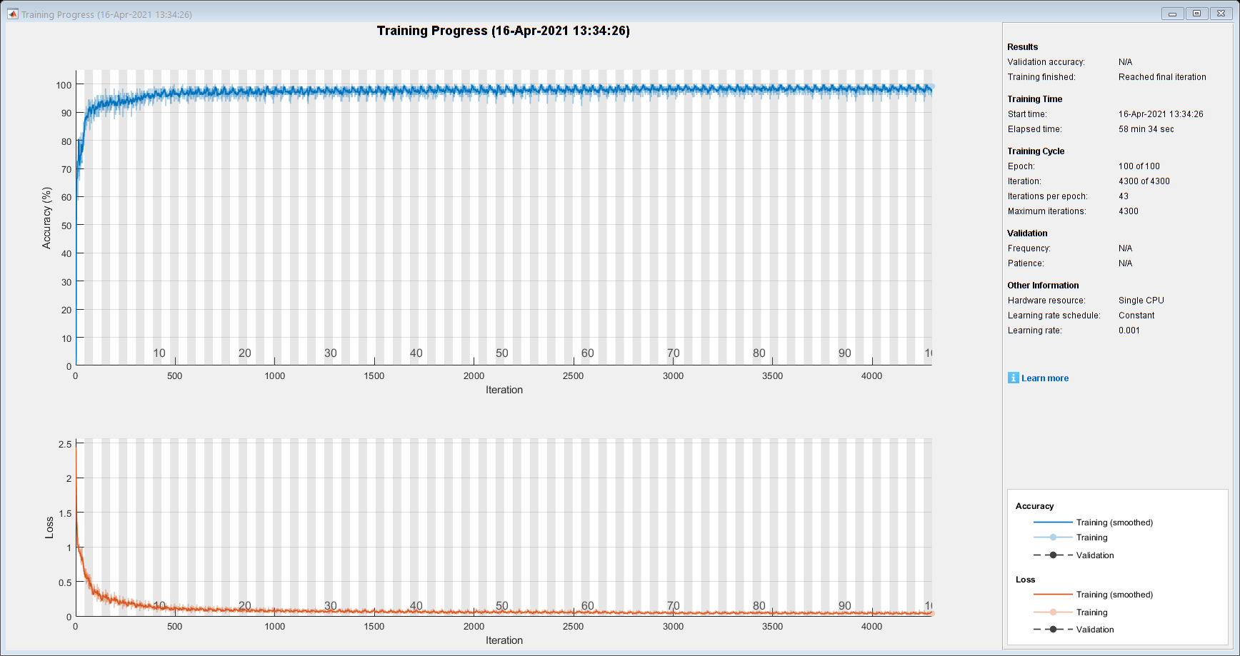
|========================================================================================|
| Epoch | Iteration | Time Elapsed | Mini-batch | Mini-batch | Base Learning |
| | | (hh:mm:ss) | Accuracy | Loss | Rate |
|========================================================================================|

| 1 | 1 | 00:00:01 | 0.78% | 2.4374 | 0.0010 |

| 2 | 50 | 00:00:31 | 84.38% | 0.6117 | 0.0010 |

| 3 | 100 | 00:00:58 | 94.53% | 0.3000 | 0.0010 |

| 4 | 150 | 00:01:23 | 98.44% | 0.1595 | 0.0010 |

| 5 | 200 | 00:01:49 | 89.06% | 0.3058 | 0.0010 |

| 6 | 250 | 00:02:16 | 93.75% | 0.1684 | 0.0010 |

| 7 | 300 | 00:02:42 | 92.19% | 0.1645 | 0.0010 |

| 9 | 350 | 00:03:08 | 93.75% | 0.2330 | 0.0010 |

| 10 | 400 | 00:03:34 | 95.31% | 0.1312 | 0.0010 |

| 11 | 450 | 00:04:00 | 96.09% | 0.1569 | 0.0010 |

| 12 | 500 | 00:04:26 | 98.44% | 0.0720 | 0.0010 |

| 13 | 550 | 00:04:53 | 96.09% | 0.1183 | 0.0010 |

| 14 | 600 | 00:05:19 | 93.75% | 0.1345 | 0.0010 |

| 16 | 650 | 00:05:45 | 96.88% | 0.1109 | 0.0010 |

| 17 | 700 | 00:06:11 | 100.00% | 0.0603 | 0.0010 |

| 18 | 750 | 00:06:38 | 96.88% | 0.0755 | 0.0010 |

| 19 | 800 | 00:07:05 | 96.09% | 0.0922 | 0.0010 |

| 20 | 850 | 00:07:33 | 97.66% | 0.0849 | 0.0010 |

| 21 | 900 | 00:08:00 | 97.66% | 0.0621 | 0.0010 |

| 23 | 950 | 00:08:27 | 96.88% | 0.0638 | 0.0010 |

| 24 | 1000 | 00:08:55 | 98.44% | 0.0631 | 0.0010 |

| 25 | 1050 | 00:09:24 | 99.22% | 0.0744 | 0.0010 |

| 26 | 1100 | 00:09:52 | 98.44% | 0.0622 | 0.0010 |

| 27 | 1150 | 00:10:21 | 96.09% | 0.0966 | 0.0010 |

| 28 | 1200 | 00:10:49 | 99.22% | 0.0369 | 0.0010 |

| 30 | 1250 | 00:11:18 | 95.31% | 0.0917 | 0.0010 |

| 31 | 1300 | 00:11:46 | 99.22% | 0.0469 | 0.0010 |

| 32 | 1350 | 00:12:15 | 96.09% | 0.0874 | 0.0010 |

| 33 | 1400 | 00:12:44 | 98.44% | 0.0636 | 0.0010 |

| 34 | 1450 | 00:13:13 | 96.09% | 0.1034 | 0.0010 |

| 35 | 1500 | 00:13:42 | 97.66% | 0.0573 | 0.0010 |

| 37 | 1550 | 00:14:13 | 99.22% | 0.0519 | 0.0010 |

| 38 | 1600 | 00:14:47 | 95.31% | 0.0674 | 0.0010 |

| 39 | 1650 | 00:15:26 | 99.22% | 0.0486 | 0.0010 |

| 40 | 1700 | 00:16:06 | 97.66% | 0.0731 | 0.0010 |

| 41 | 1750 | 00:16:48 | 98.44% | 0.0587 | 0.0010 |

| 42 | 1800 | 00:17:31 | 97.66% | 0.0610 | 0.0010 |

| 44 | 1850 | 00:18:14 | 96.88% | 0.0490 | 0.0010 |

| 45 | 1900 | 00:18:58 | 98.44% | 0.0583 | 0.0010 |

| 46 | 1950 | 00:19:42 | 99.22% | 0.0326 | 0.0010 |

| 47 | 2000 | 00:20:27 | 96.88% | 0.0753 | 0.0010 |

| 48 | 2050 | 00:21:13 | 99.22% | 0.0424 | 0.0010 |

| 49 | 2100 | 00:21:59 | 97.66% | 0.0665 | 0.0010 |

| 50 | 2150 | 00:22:45 | 96.09% | 0.0686 | 0.0010 |

| 52 | 2200 | 00:23:32 | 99.22% | 0.0432 | 0.0010 |

| 53 | 2250 | 00:24:19 | 99.22% | 0.0555 | 0.0010 |

| 54 | 2300 | 00:25:05 | 100.00% | 0.0134 | 0.0010 |

| 55 | 2350 | 00:25:54 | 96.88% | 0.0708 | 0.0010 |

| 56 | 2400 | 00:26:42 | 96.09% | 0.0959 | 0.0010 |

| 57 | 2450 | 00:27:31 | 96.09% | 0.0628 | 0.0010 |

| 59 | 2500 | 00:28:21 | 99.22% | 0.0653 | 0.0010 |

| 60 | 2550 | 00:29:10 | 97.66% | 0.0557 | 0.0010 |

| 61 | 2600 | 00:30:00 | 97.66% | 0.0519 | 0.0010 |

| 62 | 2650 | 00:30:51 | 99.22% | 0.0288 | 0.0010 |

| 63 | 2700 | 00:31:41 | 96.88% | 0.0549 | 0.0010 |

| 64 | 2750 | 00:32:31 | 97.66% | 0.0470 | 0.0010 |

| 66 | 2800 | 00:33:22 | 98.44% | 0.0398 | 0.0010 |

| 67 | 2850 | 00:34:13 | 100.00% | 0.0259 | 0.0010 |

| 68 | 2900 | 00:35:04 | 96.88% | 0.0558 | 0.0010 |

| 69 | 2950 | 00:35:55 | 96.09% | 0.0713 | 0.0010 |

| 70 | 3000 | 00:36:45 | 99.22% | 0.0481 | 0.0010 |

| 71 | 3050 | 00:37:36 | 99.22% | 0.0372 | 0.0010 |

| 73 | 3100 | 00:38:27 | 96.88% | 0.0395 | 0.0010 |

| 74 | 3150 | 00:39:17 | 100.00% | 0.0309 | 0.0010 |

| 75 | 3200 | 00:40:07 | 99.22% | 0.0376 | 0.0010 |

| 76 | 3250 | 00:40:57 | 99.22% | 0.0365 | 0.0010 |

| 77 | 3300 | 00:41:47 | 96.88% | 0.0776 | 0.0010 |

| 78 | 3350 | 00:42:36 | 99.22% | 0.0328 | 0.0010 |

| 80 | 3400 | 00:43:26 | 96.88% | 0.0740 | 0.0010 |

| 81 | 3450 | 00:44:16 | 100.00% | 0.0299 | 0.0010 |

| 82 | 3500 | 00:45:05 | 97.66% | 0.0568 | 0.0010 |

| 83 | 3550 | 00:45:55 | 98.44% | 0.0400 | 0.0010 |

| 84 | 3600 | 00:46:45 | 96.88% | 0.0635 | 0.0010 |

| 85 | 3650 | 00:47:35 | 98.44% | 0.0376 | 0.0010 |

| 87 | 3700 | 00:48:25 | 99.22% | 0.0197 | 0.0010 |

| 88 | 3750 | 00:49:15 | 96.09% | 0.0567 | 0.0010 |

| 89 | 3800 | 00:50:06 | 100.00% | 0.0232 | 0.0010 |

| 90 | 3850 | 00:50:56 | 99.22% | 0.0297 | 0.0010 |

| 91 | 3900 | 00:51:47 | 98.44% | 0.0373 | 0.0010 |

| 92 | 3950 | 00:52:37 | 98.44% | 0.0458 | 0.0010 |

| 94 | 4000 | 00:53:28 | 98.44% | 0.0293 | 0.0010 |

| 95 | 4050 | 00:54:18 | 100.00% | 0.0236 | 0.0010 |

| 96 | 4100 | 00:55:09 | 99.22% | 0.0250 | 0.0010 |

| 97 | 4150 | 00:56:00 | 96.09% | 0.0817 | 0.0010 |

| 98 | 4200 | 00:56:51 | 99.22% | 0.0295 | 0.0010 |

| 99 | 4250 | 00:57:42 | 97.66% | 0.0531 | 0.0010 |

| 100 | 4300 | 00:58:34 | 99.22% | 0.0366 | 0.0010 |

|========================================================================================|

